BLAST
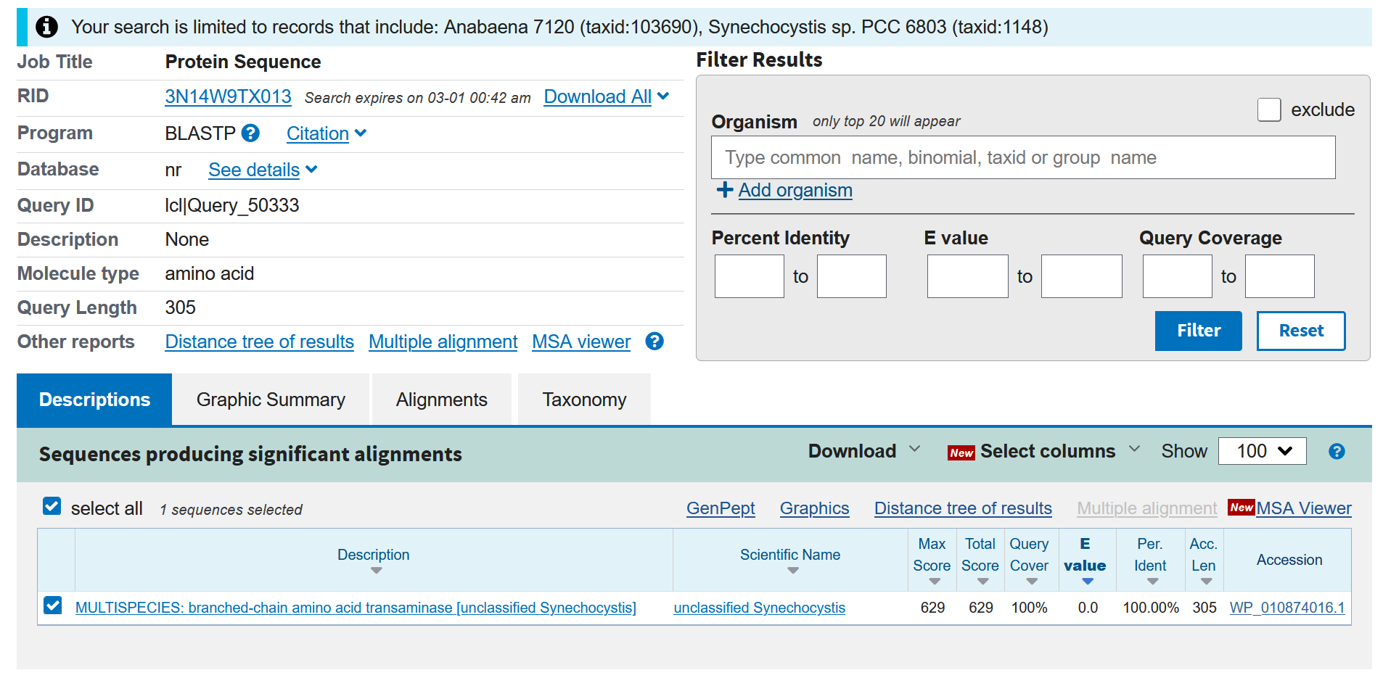
THRA: threonine aldolase [EC:4.1.2.48]
Protein sequence | MNSNLEQFAS DNYAGICPEA MNYMIQANQG SAPAYGNDEW TQKATDYFRE LFEIDCEVFF TFNGTAANSL SLAALCQSYH SVICHETAHI ETDECGAPEF ASNGSKLLLA KGENGKLTPQ EIESVITKRV DIHYPKPKVI SITQATELGT LYSIEELLDI KKVAQKYQLK IHMDGARFAN AVAAMNKSPA EMSWKSGVDV LCFCGTKNGM ALGEAIIFFN RALAEDFDYR CKQAGQLASK MRFISAPWLG LLETGAWLKN AQHANQCAAY LENELLKIEG VEIMFPREVN AVFVKLPEQV INGLKANNWL FYTFIGVGGV RFMCSWNTTK SRIDELVGDI KTGLG
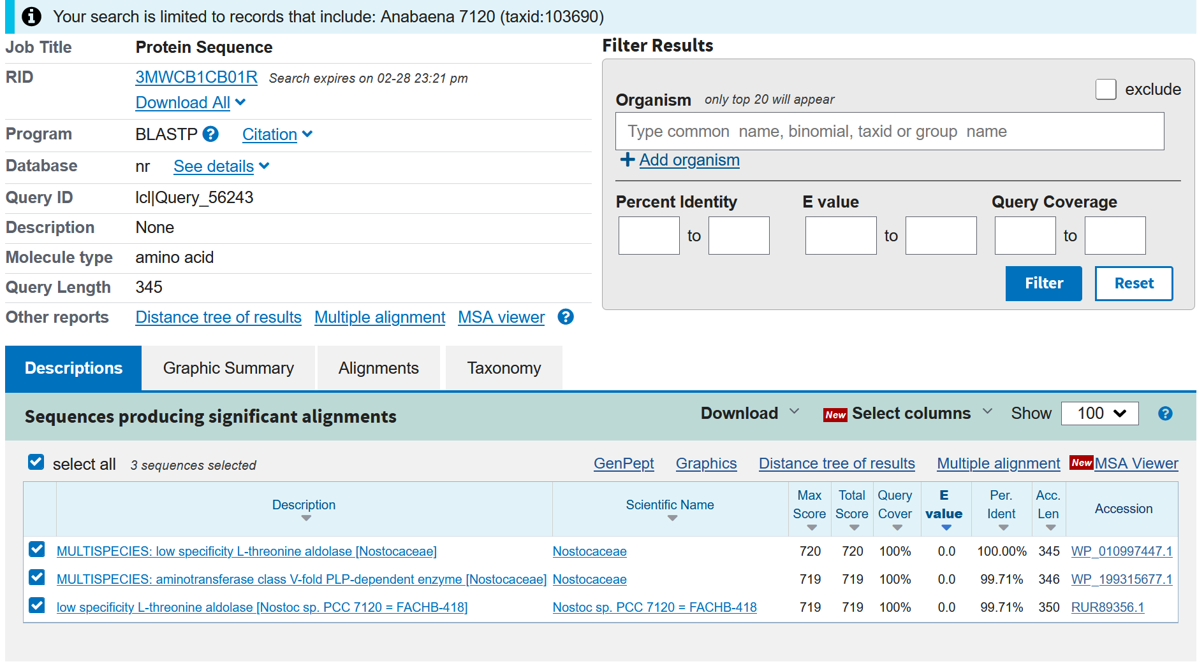

 |  | Note:

 |  | Present in Anabaena sp. PCC 7120, Anabaena sp. UTEX 2576
 |  | Absent in Synechocystis sp. PCC 6803

 |  |  | https://biocyc.org/gene?orgid=META&id=BRANCHED-CHAINAMINOTRANSFER-MONOMER
VPAMTr: valine--pyruvate aminotransferase [EC:2.6.1.66] |  |  | https://biocyc.org/META/NEW-IMAGE?type=PATHWAY&object=ALANINE-VALINESYN-PWY
Protein sequence | MILVCCTRLIFLSTLQLSLLLKLMNPALTKIGDQMSNLTGVRAIMKDIIETLKSGGGQDL INLSAGNPLILPEVEQLWRDCTAELLASQEYGEVVCRYGSSQGYAPLIEAVVKDFNRRYG LNLTDRNILITPGSQTLYFYAANVFGGYTSSGDLKQIVLPLSPDYTGYGGICLVPEALVA YKPSLDIDAAAHSFKYRPDFSQVSISESTGCVIFSRPCNPTGNVLTDDEVRKIAALAAPY NVPVLIDSAYAPPFPALNFTDMSLIFGENILHCTSLSKAGLPGERIGIAIGNERLIQVLE SFQTNASLHSSRYGQAIAARAINSGALAQIAEQVIRPFYKNKFAIVENALEAAMPKELPW FLHRGEGAIFSWLWLQDLPITDWELYQELKKVGVIVVPGSTFFPGLKEEWAHKHQCVRIS LTGSDTEIALGMQRLAKAVEQIYQRTPISA
 | MTFSLFGDKFTRHSGITLLMEDLNDGLRTPGAIMLGGGNPAQIPEMQDYFQTLLTDMLES GKATDALCNYDGPQGKTELLTLLAGMLREKLGWDIEPQNIALTNGSQSAFFYLFNLFAGR RADGRVKKVLFPLAPEYIGYADAGLEEDLFVSARPNIELLPEGQFKYHVDFEHLHIGEET GMICVSRPTNPTGNVITDEELLKLDALANQHGIPLVIDNAYGVPFPGIIFSEARPLWNPN IVLCMSLSKLGLPGSRCGIIIANEKIITAITNMNGIISLAPGGIGPAMMCEMIKRNDLLR LSETVIKPFYYQRVQETIAIIRRYLPENRCLIHKPEGAIFLWLWFKDLPITTKQLYQRLK ARGVLMVPGHNFFPGLDKPWPHTHQCMRMNYVPEPEKIEAGVKILAEEIERAWAESH
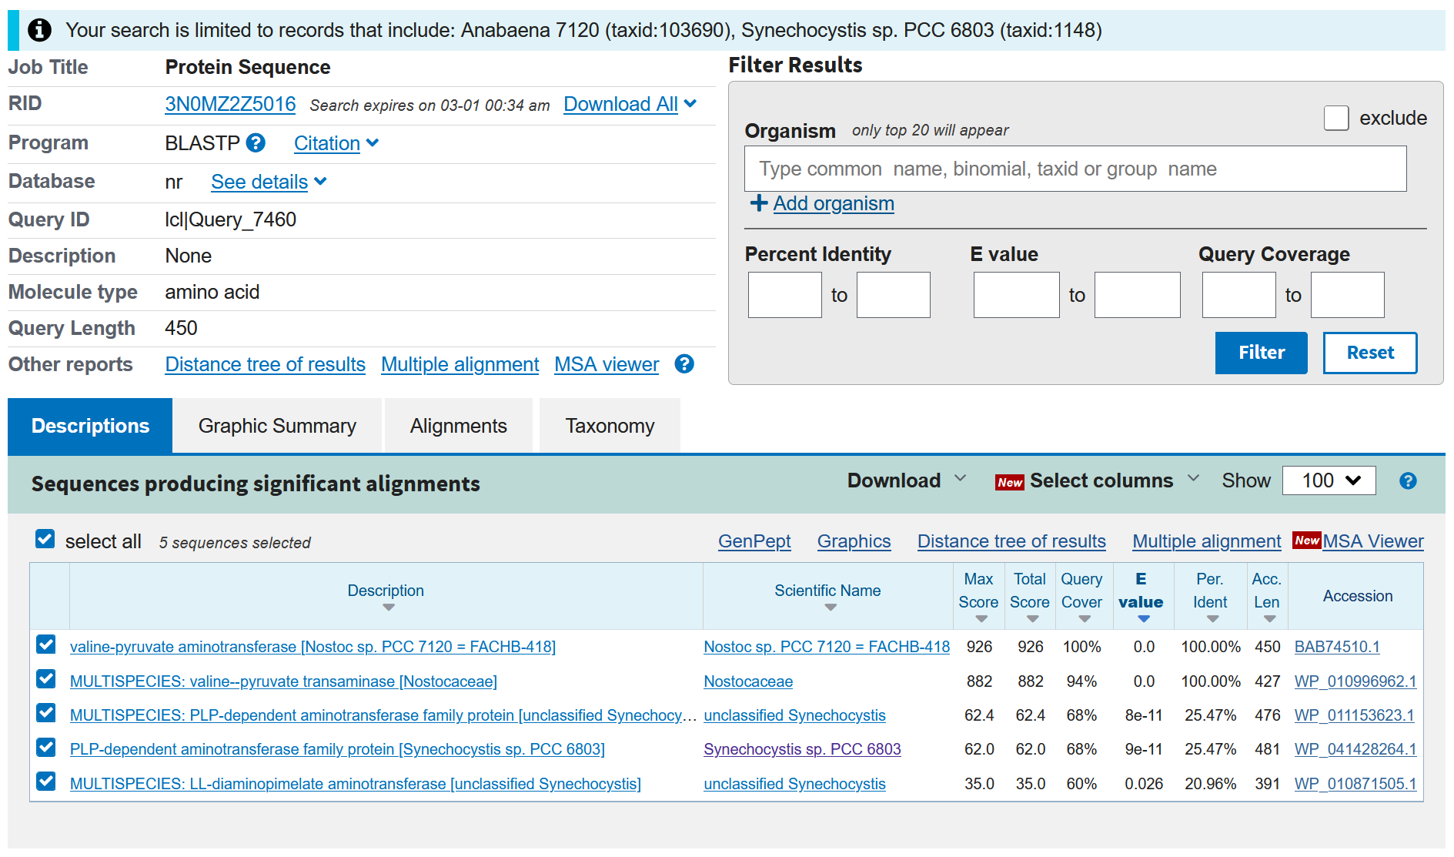
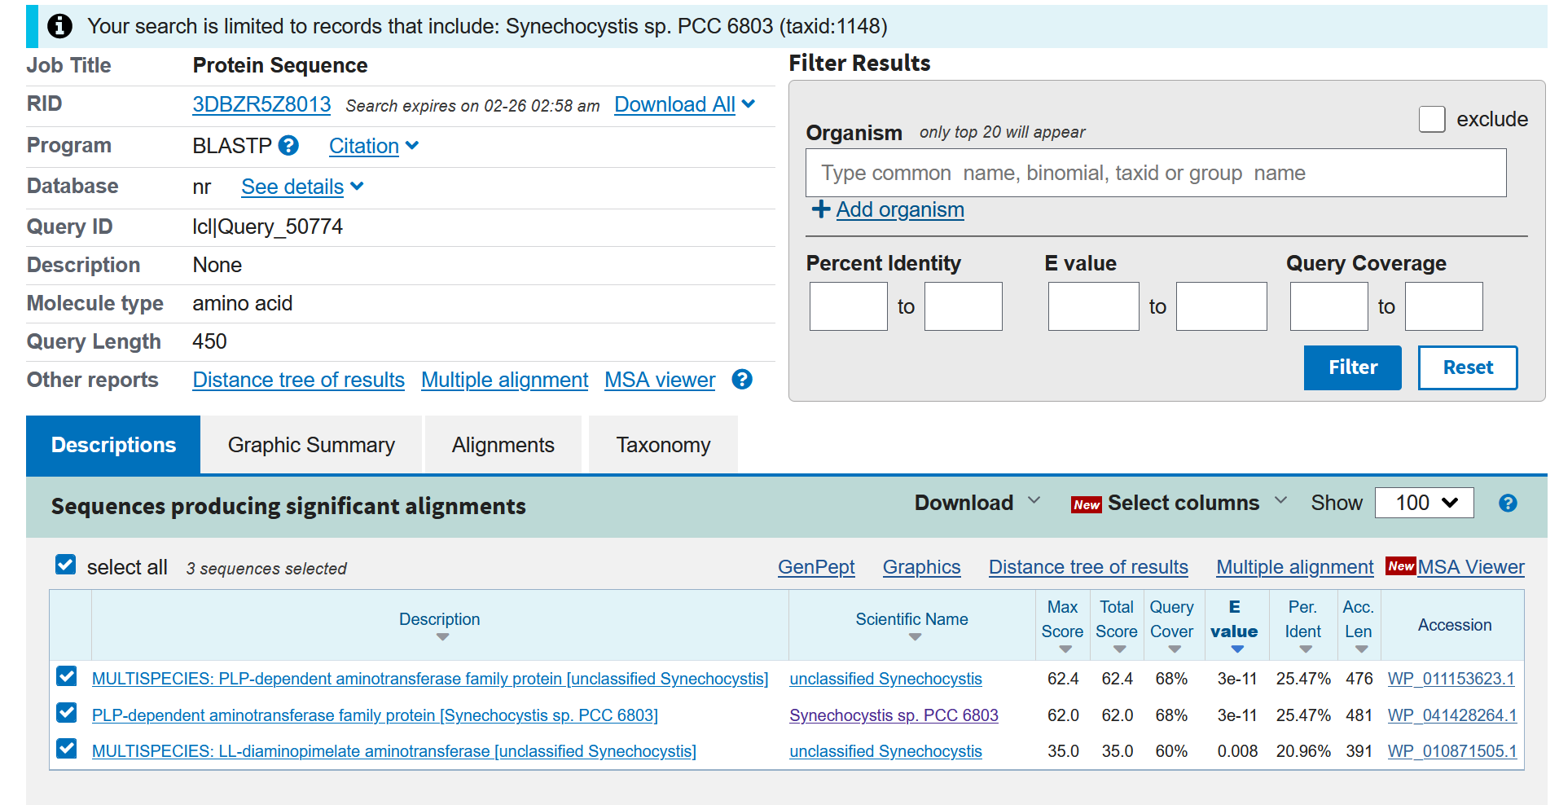

LEUTA: branched-chain amino acid aminotransferase [EC:2.6.1.42]
Protein sequence | MHKFLPIAYFEDKFVPFEDAKISVATHALHYGTAAFGGLRGIPDPEDPGTILLFRLDRHG DRLSKSAKFLHYDISAEKIKEVIVDFVKKNQPDKSFYIRPLVYSSGLGIAPRLHNLEKDF LVYGLEMGDYLAADGVSCRISSWYRQEDRSFPLRGKISAAYITSALAKTEAVESGFDEAI LMNSQGKVCEATGMNVFMVRNGQIVTPGNEQDILEGITRDSILTIAADLGIPTCQRPIDK SELMIADEVFLSGTAAKITPVKRIENFTLGGDRPITEKLRSVLTAVTENREPKYQDWVFK IPLNG

